2. Decision Tree
Mass gathering decision tree for COVID-19 risk assessment tools

The decision tree provides an overview of the process for determining the risk of COVID-19 spread should a mass gathering be held. Event organizers can walk through this process to complete this risk assessment by conducting the risk evaluation and risk mitigation to receive their overall score. Then event organizers must employ effective risk communication to ensure their plans for the mass gathering are distributed to their staff, participants and the general public. The material available through tab 3 will allow you to perform a risk assessment; and through tab 4 you can assess what mitigation strategies are needed Once the risk evaluation and risk mitigation are completed, and the risk score and mitigation score are calculated, this decision tree shows how the two scores combine to provide an overall COVID-19 risk score for the mass gathering. An overall risk score can be defined as very low, low, moderate, high or very high.

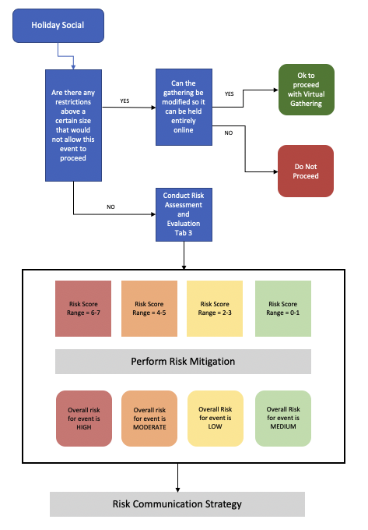

© World Health Organization 2020. Some rights reserved. This work is available under the CC BY-NC-SA 3.0 IGO licence.
WHO reference number: WHO/2019-nCoV/Religious_Leaders_RAtool/2020.2

